Description
Compilation of individual data points for NK cell culture and NKEV/NK Cell culture medium analysis, as follows:
NK CCM Cytokine arrays tab: Dot blots and subsequent densitometry analysis of the proteome profiler array of NKEV cell culture medium; supplemental to Figure 2b.
NTA all NKEVs: Distribution of particle diameter, size, and concentration as assayed via NanoSight and corrected for dilution and volume for each individual patient sample; used to create the graph in Figure 2c.
EV characterization summary: Overall summary table of the NTA analysis and the microBCA total protein analysis for each sample, with calculations for total contents/ ml cell culture medium (CCM) retrieved
Flow cytometry d12-d14: NK cells maintained in culture were retrieved, immunostained as described in the flow cytometry methods, and expression of receptors CD16 and CD56 is shown in histogram format for 2 donors, both at day 12 (pre il-21 addition) and day 14 (48 hours post il-21 addition and the time point of the first collection of CCM)

NK CCM Cytokine arrays
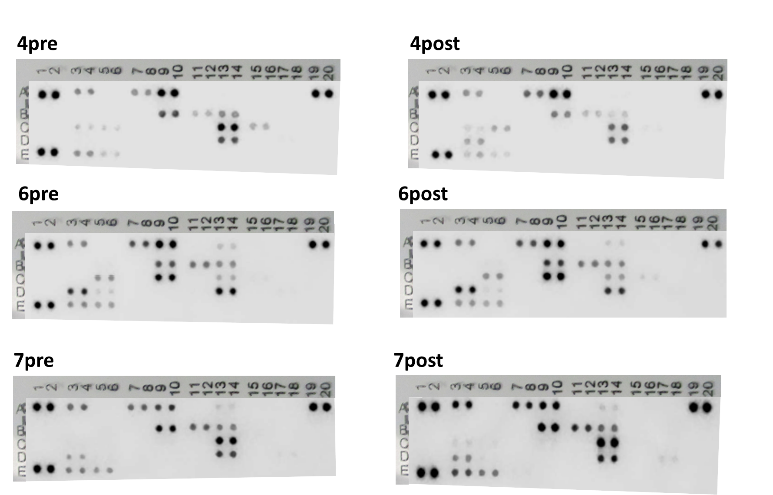
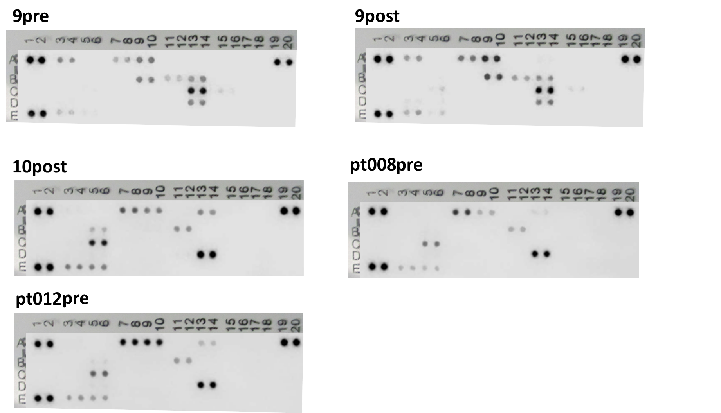
 | AUC
Name | pt002_post | pt008_pre | pt008_post | pt005_pre | pt005_post | pt007_pre | pt007_post | pt010_post | pt012_pre
CONTROL DOT | 10,600.50 | 10071.84 | 10,857.70 | 16,678.10 | 12,775.20 | 10779.79 | 11819.38 | 9868.26 | 9579.96
CCL1/I-309 | 6,542.80 |  | 6,534.90 | 8,794.20 | 6,063.50 | 3924.38 | 6738.91
MIP-1a/b | 8,901.10 | 5053.26 | 7,474.20 | 10,058.10 | 8,296.10 | 3712.26 | 5909.5 | 3817.43 | 7295.96
CCL5/RANTES | 8,832.40 | 1486.18 | 8,047.80 | 8,115.00 | 6,680.50 | 4731.43 | 7415.08 | 2787.84 | 7658.38
C5 complement | 759.6 | 523.23 | 323.7 | 734.6 | 625.8 | 911.82 | 893.31 | 2374.31 | 1198.48
CONTROL DOT | 12,883.10 | 10962.38 | 11,069.20 | 13,670.00 | 12,352.70 | 11489.26 | 13039 | 11590.96 | 11462.55
CXCL12/SDF-1 |  |  |  |  |  |  |  | 1286.89 | 384.99
GM-CSF | 174.7 |  | 3,050.50 | 1,685.70 | 4,413.10 | 6913.26 | 9055.74
ICAM/CD54 | 127 | 1644.43 | 300.8 | 716.8 | 1,945.00 | 4219.08 | 5081.67 | 2112.31 | 2128.72
IFN-gamma |  |  |  |  | 475.7 | 3101.89 | 3823.96
IL-1ra |  |  |  |  | 299 |  | 690.36
IL-2 | 99 | 2756.18 |  | 498.6 | 718.7 |  | 427.34 | 6094.67 | 4005.01
IL-5 |  |  | 11,202.00 | 2,627.80 | 8,217.50 |  | 910.18
IL-8 |  |  | 806.8 |  | 5,746.20 | 9427.74 | 12218.1
IL-10 |  |  |  |  | 1,189.00
IL-13 |  |  | 7,072.50 | 2,796.30 | 6,718.00 | 1462.01 | 2405.31
IL-16 |  |  |  |  | 224.3 |  | 210.44 |  | 306.34
IL-18 |  |  |  | 536.4 | 884.8
IL-21 | 7,728.70 | 8130.91 | 6,946.10 | 8,421.50 | 8,505.70 | 5417.55 | 7075.62 | 10626.15 | 8658.08
IL-32 |  |  |  |  | 594.2 | 382.16 | 755.94
CONTROL DOT | 10,892.00 | 11025.38 | 10,654.40 | 10,826.70 | 14,817.20 | 11462.79 | 12528.67 | 10637.96 | 10598.38
MIF | 2,550.70 | 1201.77 | 2,499.00 | 4,521.80 | 5,481.70 | 2913.84 | 4449.96 | 2637.01 | 2105.18
SerpinE1 | 1,502.20 | 1012.77 | 608.8 | 2,011.30 | 4,552.00 | 2257.55 | 2923.01 | 2621.55 | 1890.55
TNFa |  |  |  |  | 884.2 |  | 252.51
NEG CONTROL DOT | 10.1 | 28.12 | 2.4 | 47 | - | 393.02 | 146.49 | 4.12 | 224.61

Flow cytometry day12-14
Day 12- prior to IL-21 addition Day 14- post IL-21 addition, 48 hrs
Day 12- prior to IL-21 addition Day 14- post IL-21 addition, 48 hrs

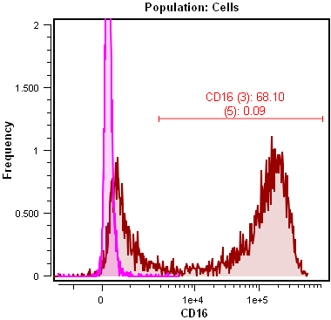
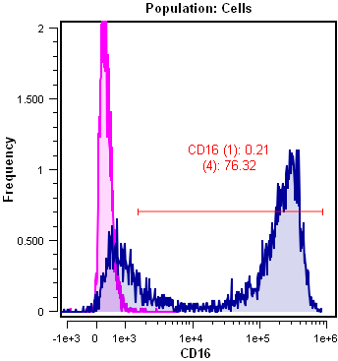
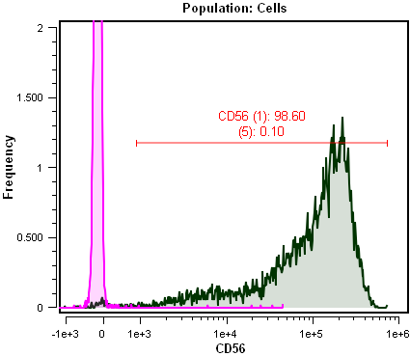
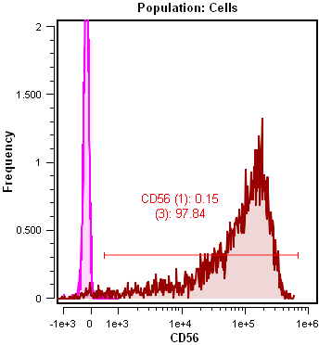

Donor 1

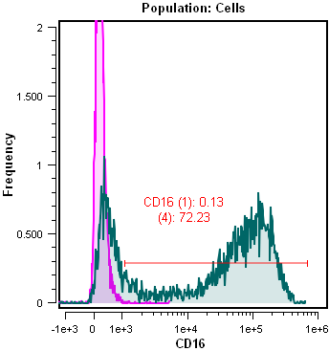
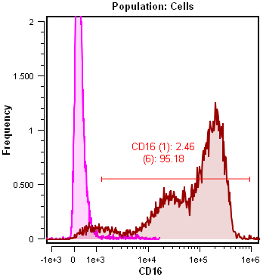
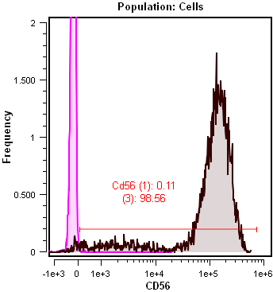
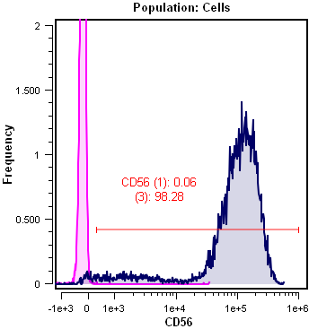

Donor 2

Pink histogram across all samples- unstained negative control control

