Sheet1
genelist | GO analysis
TMEM198B | Category | Term | Description | LogP | InTerm_InList | Genes | Symbols
WASH3P | GO Cellular Components | GO:0030173 | integral component of Golgi membrane | -4.1944039708 | 3/63 | 8460,166929,261729 | TPST1,SGMS2,STEAP2
BAZ1A | GO Biological Processes | GO:0098876 | vesicle-mediated transport to the plasma membrane | -3.3978856407 | 3/117 | 9135,261729,374666,51290 | RABEP1,STEAP2,WASH3P,ERGIC2
LOC105373591 | GO Cellular Components | GO:0000151 | ubiquitin ligase complex | -2.2150678431 | 3/304 | 80012,84961,197131 | PHC3,FBXL20,UBR1
LOC645177
FBXL20
C3orf38
GLO1
LOC105379085
ZNF485
RBM18
SC5D
STEAP2
PHC3
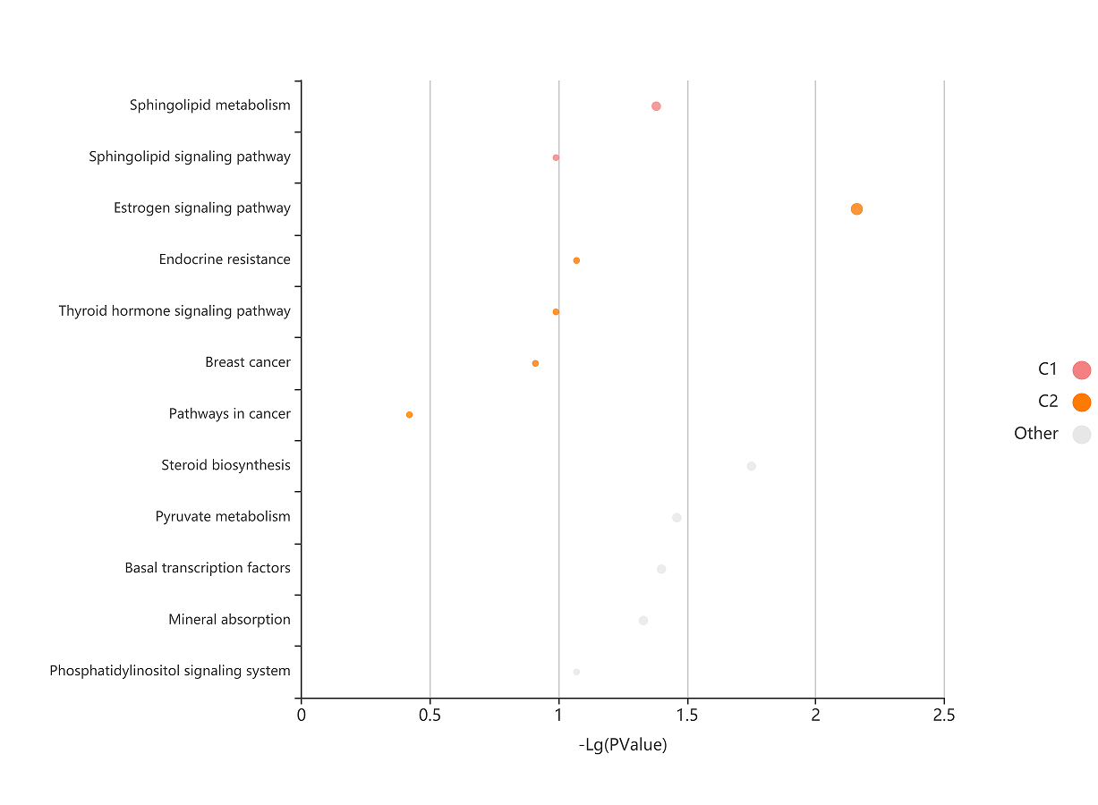
PPIP5K2
NCOA3 | KEGG analysis
XKR5 | #Term | Database | ID | Input number | Background number | P-Value | Corrected P-Value | Input | Hyperlink
REEP3 | Estrogen signaling pathway | KEGG PATHWAY | hsa04915 | 2 | 138 | 0.0069484758175 | 0.11117561308 | NCOA3|KRT14 | http://www.genome.jp/kegg-bin/show_pathway?hsa04915/hsa:3861%09red/hsa:8202%09red
PCNX4 | Steroid biosynthesis | KEGG PATHWAY | hsa00100 | 1 | 19 | 0.01767541219 | 0.12541188756 | SC5D | http://www.genome.jp/kegg-bin/show_pathway?hsa00100/hsa:6309%09red
THAP9 | Pyruvate metabolism | KEGG PATHWAY | hsa00620 | 1 | 39 | 0.035047176897 | 0.12541188756 | GLO1 | http://www.genome.jp/kegg-bin/show_pathway?hsa00620/hsa:2739%09red
DHX8 | Basal transcription factors | KEGG PATHWAY | hsa03022 | 1 | 45 | 0.040200254504 | 0.12541188756 | TAF3 | http://www.genome.jp/kegg-bin/show_pathway?hsa03022/hsa:83860%09red
SGMS2 | Sphingolipid metabolism | KEGG PATHWAY | hsa00600 | 1 | 47 | 0.041911998932 | 0.12541188756 | SGMS2 | http://www.genome.jp/kegg-bin/show_pathway?hsa00600/hsa:166929%09red
LOC107986674 | Mineral absorption | KEGG PATHWAY | hsa04978 | 1 | 53 | 0.047029457837 | 0.12541188756 | STEAP2 | http://www.genome.jp/kegg-bin/show_pathway?hsa04978/hsa:261729%09red
LOC107987097 | Endocrine resistance | KEGG PATHWAY | hsa01522 | 1 | 98 | 0.084573070062 | 0.16255655899 | NCOA3 | http://www.genome.jp/kegg-bin/show_pathway?hsa01522/hsa:8202%09red
KRT17P2 | Phosphatidylinositol signaling system | KEGG PATHWAY | hsa04070 | 1 | 99 | 0.085390832761 | 0.16255655899 | PPIP5K2 | http://www.genome.jp/kegg-bin/show_pathway?hsa04070/hsa:23262%09red
KRT17P1 | Thyroid hormone signaling pathway | KEGG PATHWAY | hsa04919 | 1 | 119 | 0.10159784937 | 0.16255655899 | NCOA3 | http://www.genome.jp/kegg-bin/show_pathway?hsa04919/hsa:8202%09red
TAF3 | Sphingolipid signaling pathway | KEGG PATHWAY | hsa04071 | 1 | 119 | 0.10159784937 | 0.16255655899 | SGMS2 | http://www.genome.jp/kegg-bin/show_pathway?hsa04071/hsa:166929%09red
LOC107984257 | Spliceosome | KEGG PATHWAY | hsa03040 | 1 | 135 | 0.11436226609 | 0.16509305017 | DHX8 | http://www.genome.jp/kegg-bin/show_pathway?hsa03040/hsa:1659%09red
ERGIC2 | Breast cancer | KEGG PATHWAY | hsa05224 | 1 | 147 | 0.12381978763 | 0.16509305017 | NCOA3 | http://www.genome.jp/kegg-bin/show_pathway?hsa05224/hsa:8202%09red
SERPINE3 | Metabolic pathways | KEGG PATHWAY | hsa01100 | 3 | 1433 | 0.13501209298 | 0.16616872982 | SC5D|SGMS2|GLO1 | http://www.genome.jp/kegg-bin/show_pathway?hsa01100/hsa:166929%09red/hsa:6309%09red/hsa:2739%09red
RABEP1 | Endocytosis | KEGG PATHWAY | hsa04144 | 1 | 244 | 0.19674966461 | 0.22485675956 | RABEP1 | http://www.genome.jp/kegg-bin/show_pathway?hsa04144/hsa:9135%09red
SLC39A10 | Herpes simplex virus 1 infection | KEGG PATHWAY | hsa05168 | 1 | 492 | 0.35742134004 | 0.3791021029 | ZNF709 | http://www.genome.jp/kegg-bin/show_pathway?hsa05168/hsa:163051%09red
MOV10L1 | Pathways in cancer | KEGG PATHWAY | hsa05200 | 1 | 530 | 0.3791021029 | 0.3791021029 | NCOA3 | http://www.genome.jp/kegg-bin/show_pathway?hsa05200/hsa:8202%09red
MACIR
KRT14
TENT5A
ZNF709
UBR1
TPST1
DSG4
KIAA1841
PURG
DLGAP2

